Eye-tracking details
Technical details eye-tracking setup - Example

Lab name | Liverpool Language Lab
Eye-tracking system | Eyelink 1000+

Screen resolution in pixels
Width | 1024
Height | 768
Screen dimensions in mm
Width | 345
Height | 280
Distance at which the infant was seated from the screen in mm
distance | 600
Samplerate of the eye-tracker in Hz
samplerate | 500

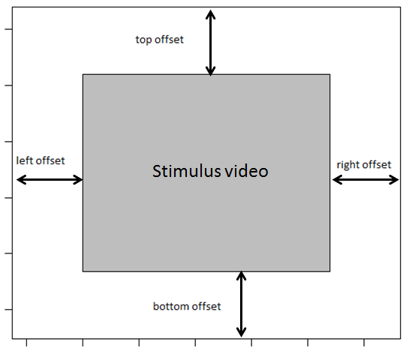
Variable names
Please specify the names of the variables in the raw eye-tracking data file that refer to the:

Participant ID | RECORDING_SESSION_LABEL
Stimuli | audio_stimulus
Trial | TRIAL_INDEX

AOI information
Please specify where the stimulus video was located on the screen, see figure

left offset in pixels | 0
right offset in pixels | 0
top offset in pixels | 0
bottom offset in pixels | 0

Was the stimulus video presented as described in this document:
https://docs.google.com/spreadsheets/d/1iu16TyhN314nUV3a5oGx4oHPnXf39-rzmQa4Psj7pD0/
 | yes

